Hoja1 (2)
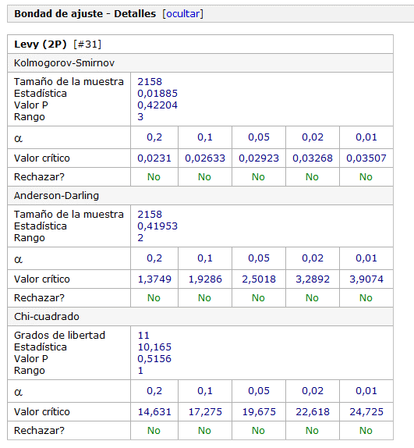
Resultados de ajuste

# | Distribución | Parámetros
1 | Beta | a1=0,0491 a2=4,8669
 |  | a=3,1037 b=2,3361E+11
2 | Burr | k=0,0828 a=5,4656 b=5,4024
3 | Burr (4P) | k=0,28377 a=1,6301
 |  | b=5,4735 g=3,0713
4 | Cauchy | s=17,732 m=17,722
5 | Chi-Squared | n=1,6093E+6
6 | Chi-Squared (2P) | n=1,6093E+6 g=2,7933
7 | Dagum | k=93,149 a=0,79365 b=3,3247E-5
8 | Dagum (4P) | k=25,338 a=0,59815
 |  | b=0,06425 g=2,838
9 | Error | k=1,0 s=5,0966E+7 m=1,6093E+6
10 | Error Function | h=1,3874E-8
11 | Exponential | l=6,2138E-7
12 | Exponential (2P) | l=6,2139E-7 g=3,1037
13 | Fatigue Life | a=8,3697 b=1033,9
14 | Fatigue Life (3P) | a=9,478 b=806,34 g=2,4996
15 | Frechet | a=0,57221 b=17,455
16 | Frechet (3P) | a=0,58163 b=13,921 g=2,8192
17 | Gamma | a=9,9704E-4 b=1,6141E+9
18 | Gamma (3P) | a=0,0474 b=3,4942E+10 g=3,1037
19 | Gen. Extreme Value | k=0,99894 s=1712,1 m=255,01
20 | Gen. Gamma | k=0,25573 a=0,23865 b=1,6141E+9
21 | Gen. Gamma (4P) | k=0,95779 a=0,11576
 |  | b=58704,0 g=2,2177
22 | Gen. Pareto | k=0,99889 s=1792,4 m=-875,67
23 | Gumbel Max | s=3,9738E+7 m=-2,1328E+7
24 | Gumbel Min | s=3,9738E+7 m=2,4547E+7
25 | Hypersecant | s=5,0966E+7 m=1,6093E+6
26 | Inv. Gaussian | l=1604,5 m=1,6093E+6
27 | Inv. Gaussian (3P) | l=11,245 m=1,6093E+6 g=2,1881
28 | Kumaraswamy | a1=0,08912 a2=2,623
 |  | a=3,1037 b=1,9773E+9
29 | Laplace | l=2,7748E-8 m=1,6093E+6
30 | Levy | s=16,579
31 | Levy (2P) | s=11,244 g=2,1881
32 | Log-Gamma | a=3,0445 b=1,2725
33 | Log-Logistic | a=0,755 b=47,745
34 | Log-Logistic (3P) | a=0,80385 b=29,913 g=3,1037
35 | Log-Pearson 3 | a=0,81163 b=2,4645 g=1,8738
36 | Logistic | s=2,8099E+7 m=1,6093E+6
37 | Lognormal | s=2,2197 m=3,874
38 | Lognormal (3P) | s=2,4403 m=3,619 g=3,1001
39 | Normal | s=5,0966E+7 m=1,6093E+6
40 | Pareto | a=0,36478 b=3,1037
41 | Pareto 2 | a=0,61538 b=16,974
42 | Pearson 5 | a=30,951 b=2,6117E+6
43 | Pearson 5 (3P) | a=14,742 b=3,2261E+7 g=-7,2995
44 | Pearson 6 | a1=281,94 a2=0,58193 b=0,03445
45 | Pearson 6 (4P) | a1=6,4433 a2=0,49008
 |  | b=0,88626 g=2,613
46 | Pert | m=3,1037 a=3,1037 b=1,9743E+9
47 | Power Function | a=0,04928 a=3,1037 b=1,2559E+10
48 | Rayleigh | s=1,2840E+6
49 | Rayleigh (2P) | s=1556,0 g=-44,945
50 | Reciprocal | a=3,1037 b=1,9743E+9
51 | Rice | n=1,6894E+5 s=659,18
52 | Student's t | n=2
53 | Triangular | m=3,1037 a=3,1037 b=1,9743E+9
54 | Uniform | a=-8,6667E+7 b=8,9886E+7
55 | Weibull | a=0,4639 b=165,19
56 | Weibull (3P) | a=0,26581 b=152,17 g=3,1037
57 | Erlang | No hay ajuste
58 | Erlang (3P) | No hay ajuste
59 | Johnson SB | No hay ajuste
60 | Johnson SU | No hay ajuste
61 | Nakagami | No hay ajuste

Hoja1
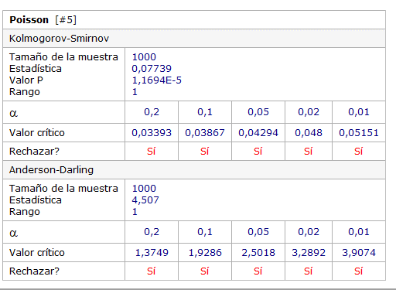
Bondad de ajuste - Resumen

# | Distribución | Kolmogorov |  | Anderson
 |  | Smirnov |  | Darling
Estadística |  | Rango | Estadística | Rango
1 | D. Uniform | 0.11127 | 3 | 222.17 | 3
2 | Geometric | 0.49984 | 4 | 335.93 | 4
3 | Logarithmic | 0.6859 | 5 | 633.39 | 5
4 | Neg. Binomial | 0.07791 | 2 | 4.5982 | 2
5 | Poisson | 0.07739 | 1 | 4.507 | 1
6 | Bernoulli | No hay ajuste (máx > 1)
7 | Binomial | No hay ajuste
8 | Hypergeometric | No hay ajuste

